Лист1
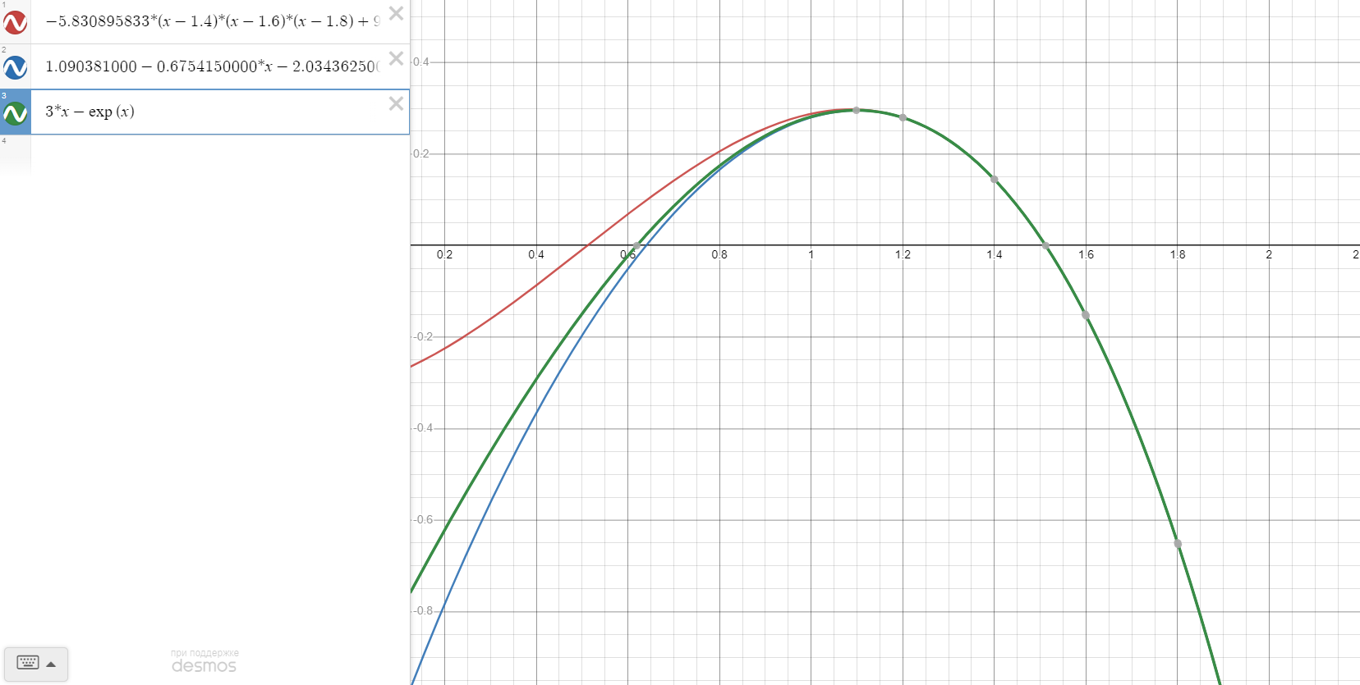
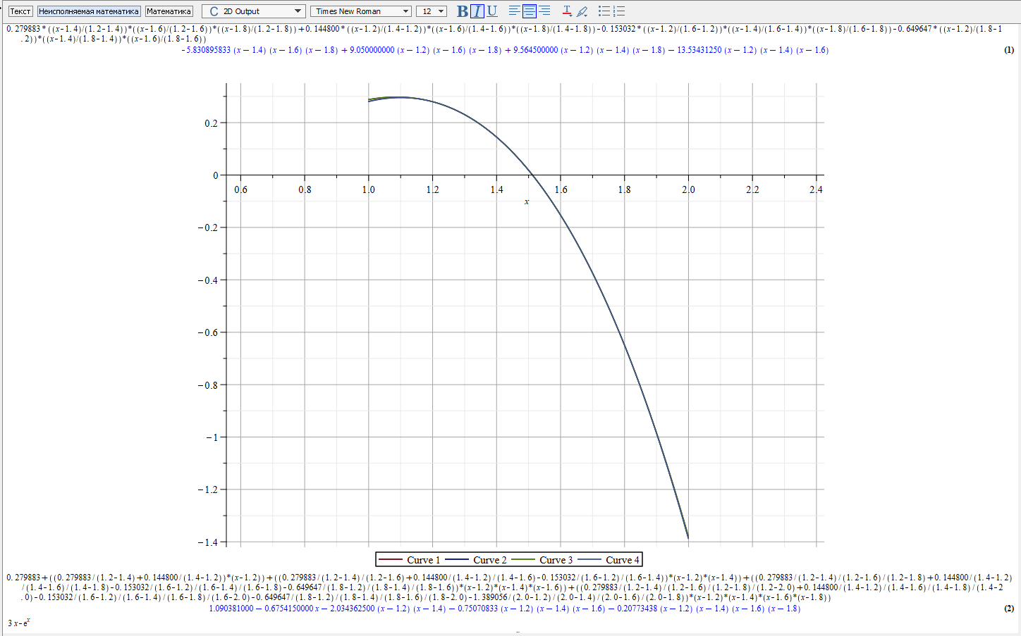
-5.830895833*(x-1.4)*(x-1.6)*(x-1.8)+9.050000000*(x-1.2)*(x-1.6)*(x-1.8)+9.564500000*(x-1.2)*(x-1.4)*(x-1.8)-13.53431250*(x-1.2)*(x-1.4)*(x-1.6)

1.090381000-0.6754150000*x-2.034362500*(x-1.2)*(x-1.4)-0.75070833*(x-1.2)*(x-1.4)*(x-1.6)-0.20773438*(x-1.2)*(x-1.4)*(x-1.6)*(x-1.8)

3*x-e^{x}

